Slider Potentiometer Details
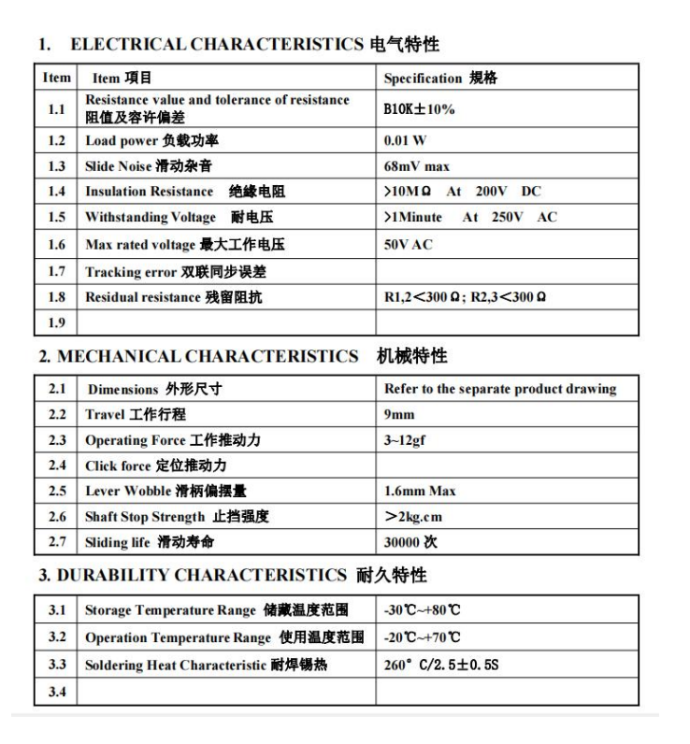
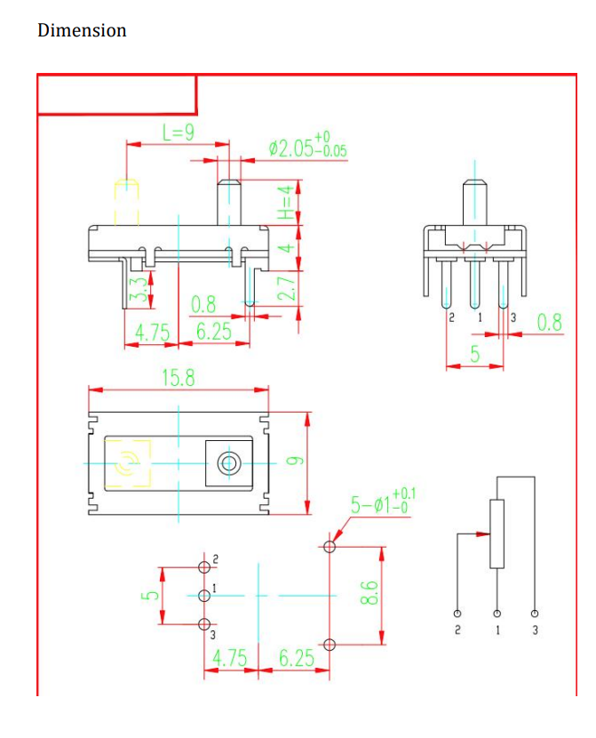
MODEL | XP883

Tactile Switch Details
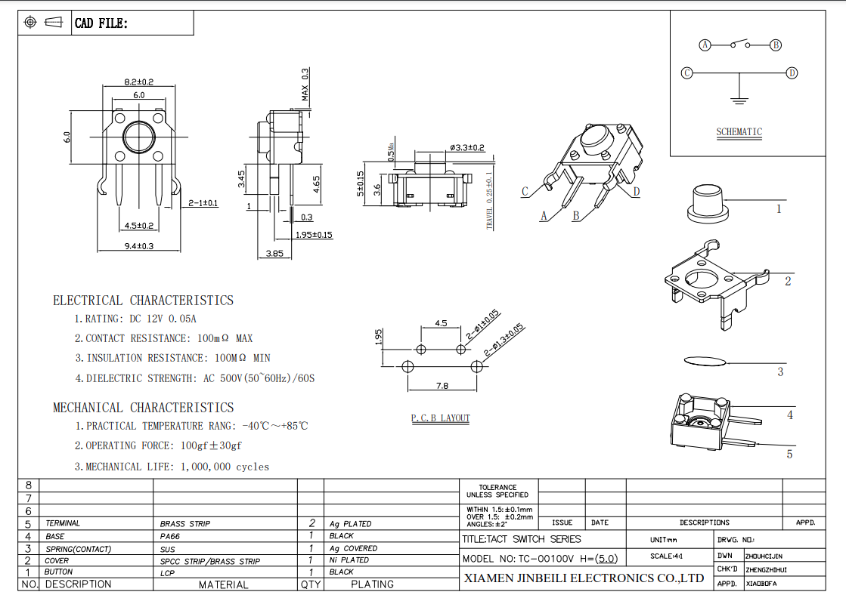
MODEL | TC-00100V
NOTES | Rubber OR plastic button OK, 3.85 button actuator height, 100gf press

2x5 PIN CONNECTOR
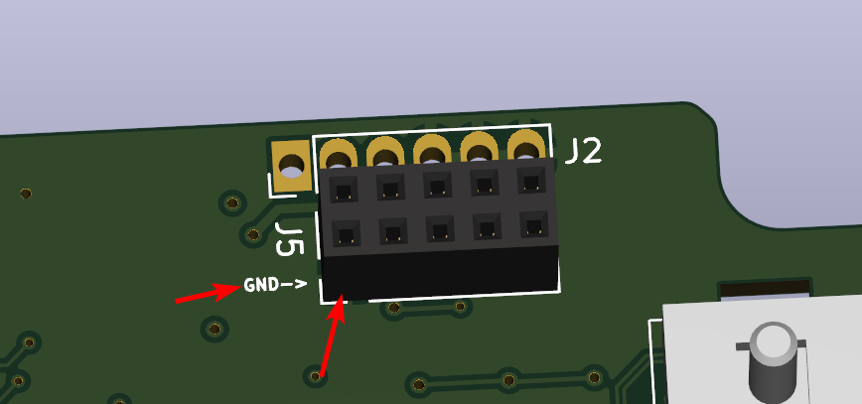
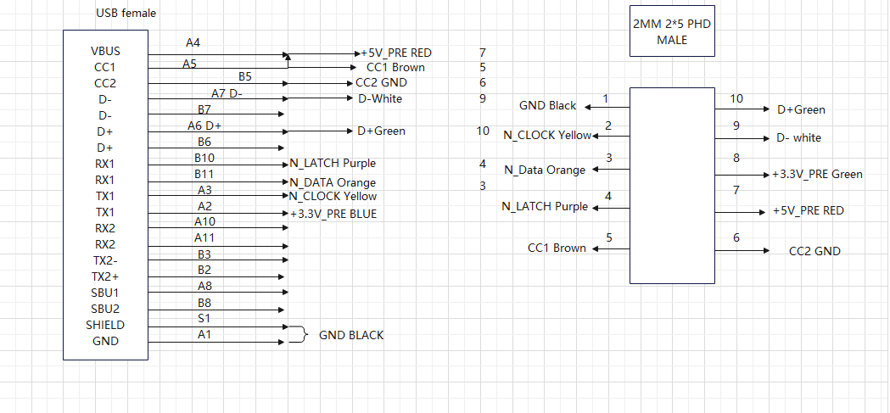
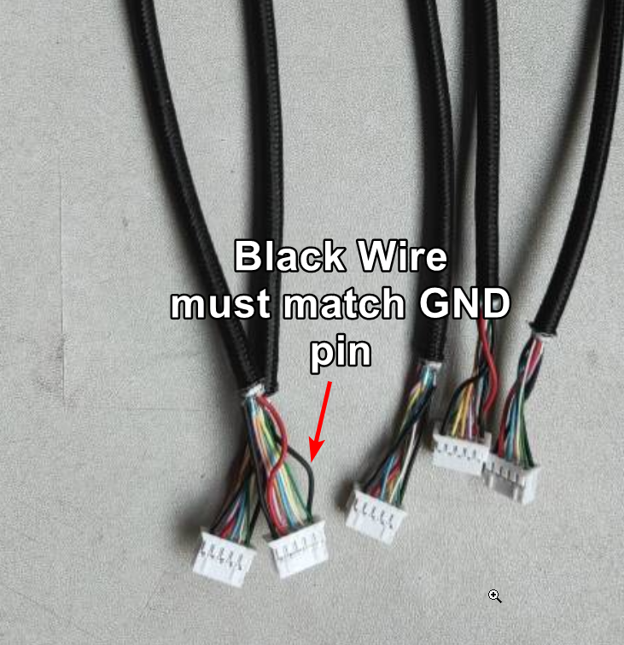
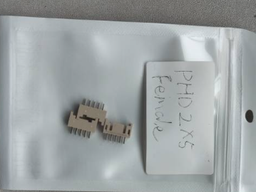
2x5 pin connector please attention to where -> GROUND wire is, there are two black wires, only one is GND

LED Position
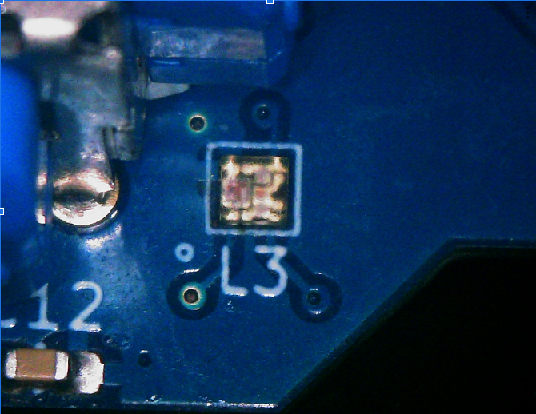

Capacitor Orientation
